Charts for Profit vs Sales
Sales vs Profit by Product Category
Sales Share by Product Category
 |  |  | BAR CHART |  | PIE CHART
Row Labels | Sum of Sales | Sum of Profit
Furniture | 660704.31 | 59249.445936
Office Supplies | 551368.62 | 89525.009537
Technology | 712264.95 | 75303.156364
Grand Total | 1924337.88 | 224077.61184

 |  |  |  | LINE CHART
Monthly Sales and Profit Trends

Dashboard
Total sales by category

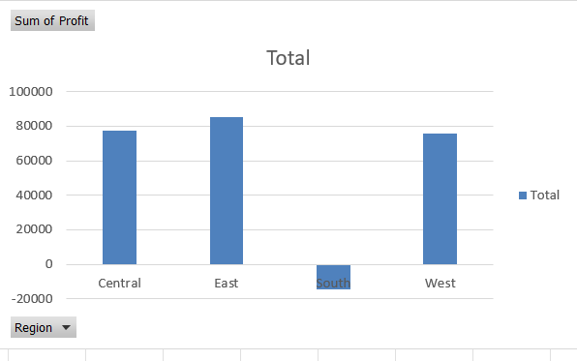
Row Labels | Sum of Sales |  |  |  |  |  | Customer trends
Furniture | 660704.31 | Profit by Region
Office Supplies | 551368.62
Technology | 712264.95 | Sum of Profit | Column Labels |  |  |  | Order Date | (All)
Grand Total | 1924337.88 | Row Labels | Furniture | Office Supplies | Technology | Grand Total
 |  | Central | 5021.4516946 | 28333.07433 | 44010.946644 | 77365.472669 | Sum of Sales | Column Labels
 |  | East | -462.974192 | 51107.56273 | 34646.814908 | 85291.403446 | Row Labels | Central | East | South | West | Grand Total
 |  | South | 1145.1824538 | -2119.4586532 | -13449.77818 | -14424.054379 | Furniture | 155294.22 | 196331.77 | 113067.17 | 196011.15 | 660704.31
 |  | West | 53545.78598 | 12203.83113 | 10095.172992 | 75844.790102 | Office Supplies | 115119.97 | 211784.41 | 112566.34 | 111897.9 | 551368.62
 |  | Grand Total | 59249.445936 | 89525.009537 | 75303.156364 | 224077.61184 | Technology | 177870.51 | 184055.31 | 131471.61 | 218867.52 | 712264.95
 |  |  |  |  |  |  | Grand Total | 448284.7 | 592171.49 | 357105.12 | 526776.57 | 1924337.88

 | Central | East | South | West
Furniture | 155294.22 | 196331.77 | 113067.17 | 196011.15
Office Supplies | 115119.97 | 211784.41 | 112566.34 | 111897.9
Technology | 177870.51 | 184055.31 | 131471.61 | 218867.52

